Fabris Tasks
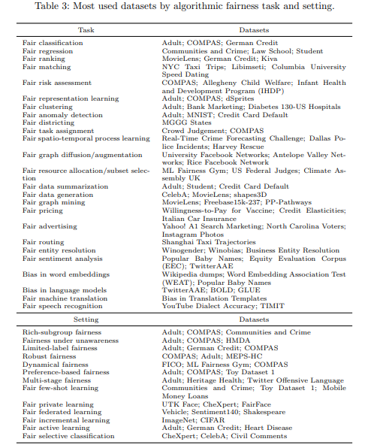
bias audit | analysis and evaluation | analysis and evaluation
bias discovery | analysis and evaluation | complex strategies
evaluation of data bias | analysis and evaluation | nlp
data bias evaluation | analysis and evaluation | pre processing
dynamical fairness evaluation | analysis and evaluation | supervised strategies
fairness evaluation | analysis and evaluation | unsupervised strategies
fairness evaluation under unawareness | analysis and evaluation
fairness evaluation of multi-stage classification | analysis and evaluation
fairness evaluation of private classification | analysis and evaluation
fairness evaluation of selective classification | analysis and evaluation
fair ranking evaluation | analysis and evaluation
fair regression evaluation | analysis and evaluation
dynamical evaluation of fair ranking | analysis and evaluation
fair matching evaluation | analysis and evaluation
fairness matching evaluation | analysis and evaluation
fairness evaluation of risk assessment | analysis and evaluation
fairness evaluation of learnt representations | analysis and evaluation
fair graph mining evaluation | analysis and evaluation
fairness evaluation in graph mining | analysis and evaluation
fair pricing evaluation | analysis and evaluation
multi-stage fairness evaluation | analysis and evaluation
rich subgroup fairness evaluation | analysis and evaluation
rich-subgroup fairness evaluation | analysis and evaluation
robust fairness evaluation | analysis and evaluation
fairness evaluation through artificial data generation | analysis and evaluation
fairness evaluation of sentiment analysis | analysis and evaluation
fairness evaluation of advertisement | analysis and evaluation
fairness evaluation of harmful content detection | analysis and evaluation
limited-label fairness evaluation | analysis and evaluation
fair anomaly detection | analysis and evaluation
fair transfer learning | complex strategies
fair truth discovery | complex strategies
fair federated learning | complex strategies
fair few-shot learning | complex strategies
fair incremental learning | complex strategies
fair reinforcement learning | complex strategies
fairness evaluation in entity recognition | nlp
fair sentiment analysis evaluation | nlp
fairness evaluation of toxicity classification | nlp
fair entity resolution | nlp
fair entity resolution evaluation | nlp
fair routing | nlp
fair sentiment analysis | nlp
bias evaluation of machine translation | nlp
bias discovery in WEs | nlp
bias evaluation in WEs | nlp
fairness evaluation of language identification | nlp
robust fair language model | nlp
bias evaluation in language models | nlp
fairness evaluation of transfer learning | nlp
fairness evaluation of speech recognition | nlp
fair advertising | pre processing
fair graph augmentation | pre processing
fair graph clustering | pre processing
fair graph diffusion | pre processing
fair graph mining | pre processing
fair preferece-based resource allocation | pre processing
fairness evaluation of private resource allocation | pre processing
fair active resource allocation | pre processing
fair resource allocation | pre processing
fair data summarization | pre processing
fair data generation | pre processing
fair subset selection | pre processing
fair subset selection under unawareness | pre processing
fair active classification | supervised strategies
dynamical fair classification | supervised strategies
fair classification | supervised strategies
fair classification under unawareness | supervised strategies
limited-label fair classification | supervised strategies
fair multi-stage classification | supervised strategies
fair preference-based classification | supervised strategies
preference-based fair classification | supervised strategies
fair private classification | supervised strategies
rich-subgroup fair classification | supervised strategies
robust fair classification | supervised strategies
fair robust toxicity classification | supervised strategies
preference-based fair ranking | supervised strategies
fair ranking | supervised strategies
fair toxicity classification | supervised strategies
fair matching | supervised strategies
fair regression | supervised strategies
fair risk assessment | supervised strategies
fair clustering | unsupervised strategies
fair clustering under unawareness | unsupervised strategies
preference-based fair clustering | unsupervised strategies
fair districting for electoral precincts | unsupervised strategies
fair spatio-temporal process learning | unsupervised strategies
fair representation learning | unsupervised strategies
fair task assignment | unsupervised strategies

